Buy Sheet 1
Yiwu Supplyia Import And Export Co., Ltd.
Room 615, Building C1, No. 588 Chunhua Rd., Beiyuan, Yiwu, Zhejiang, China 322000 send back to Email: support@supplyia.com
Customer: |  |  | Date
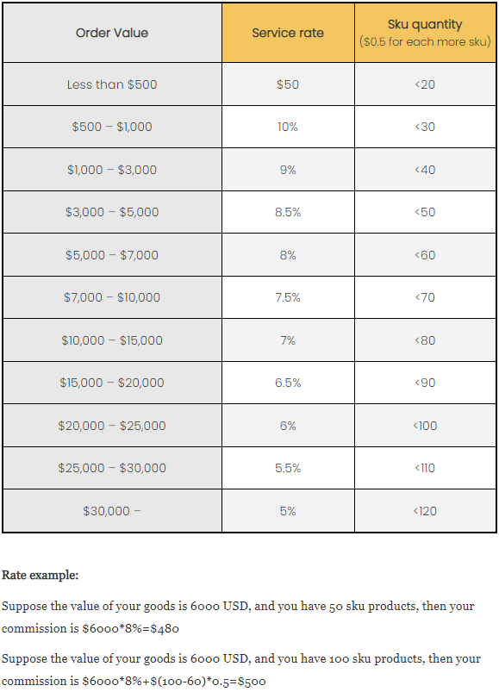
Item Code | Link | Photo | Size/Color... | Quantity | Unit price | Freight from supplier to our warehouse | Total | Note
Example | 1688.com | 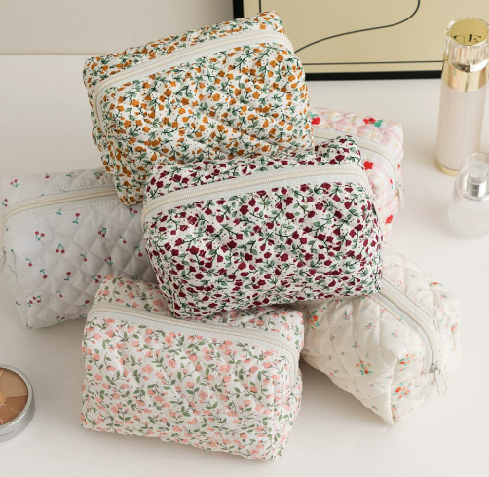 | 50 of each | 100 | ￥6.00 |  | 600.00
2 |  |  |  |  |  |  | 0.00
3
4
 |  |  |  | Total cost in RMB |  |  | ￥600.00
 |  |  |  | Total cost in USD |  |  | $86.96
 |  |  |  | 10% Commission |  |  | $8.70
 |  |  |  | 3% transfer fee(if paid by Alibaba) |  |  | /
 |  |  |  | International Shipping cost |  |  | / |  | paid when our warehouse received all
 |  |  |  | Total cost you should pay |  |  | $95.65
Note | Our service fee includes the service price of purchasing for you. We will also conduct random inspections on the goods, consolidate, take pictures before shipment and arrange shipment to address you requested.
Payment methods- Supplyia
TT
Bank info
BENEFICIARY BANK: ZHEJIANG CHOUZHOU COMMERCIAL BANK CO.,LTD
SWIFT BIC: CZCBCN2XXXX
BENEFICIARY NAME: Hongkong Supplyia Sourcing Co.,Limited
A/C NO.：NRA15619142010500002231
BENEFICIARY BANK ADDRESS（收款银行地址）： NO.188 SHANGCHENG AVENUE YIWU ZHEJIANG PROVINCE
CORRESPONDENT BANK: CITIBANK N.A. NEW YORK
（ 中间行 54/56A） SWIFT BIC: CITIUS33XXX

Please note that :
1.The A/C NO. begins with NRA
2. Leave a blank or write "payment for goods" in the note.
3.Remitter shall bear the transfer fee

Western Union
Note: Please choose currency as USD when you're transfering.
Beneficiary's First Name:Yixiao Last Name:Zhang
Beneficiary's City: Yiwu, Zhejiang Province, China.
Postcode: 3220006

AlibabaPlatform trade assurance
Need to add 3% transfer fee.
explanation:When we receive payment from Alibaba,Alibaba wil charge us 3% transfer fee,when we quote price for you, we didn't add this cost

XTransfer
REMITTING ROUTE FOR USD,EUR,GBP,HKD,CNH,CAD,SGD,JPY,AUD,NZD,SEK,NOK,CHF,DKK （美元，欧元，英镑，港币，离岸人民币，加拿大元，新加坡元，日元，澳大利亚元，新西兰元，瑞典克朗，挪威克朗，瑞士法郎，丹麦克朗） BENEFICIARY BANK: JPMorgan Chase Bank N.A., Hong Kong Branch SWIFT/BIC:CHASHKHHXXX BENEFICIARY NAME: Hongkong Supplyia Sourcing Co.,Limited A/C NO.：63003725332 BENEFICIARY BANK ADDRESS：18/F, 20/F, 22-29/F, CHATER HOUSE, 8 CONNAUGHT ROAD CENTRAL, HONG KONG Bank Country/Region: Hong Kong (China) Bank code: 007 Branch code: 863 Notes: Please include the following memo/message to receiver when making a payment: [Buyer Name] [Invoice/Contract Number] [Product]

